Market Return
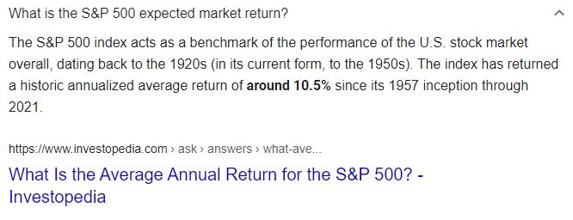
Table of Contents

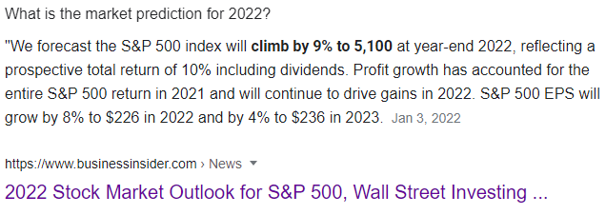
Market Return
Projected 2022 S&P 500 market return
Date researched: 1/14/2022
Google search: Projected S&P 500 return 2022

Source | Return
Business Insider: return with dividends | 10.0%
Investopedia: historical annualized average return | 10.5%
Forbes.com | 9.6%
Average | 10.0%

